Analyzed Summary
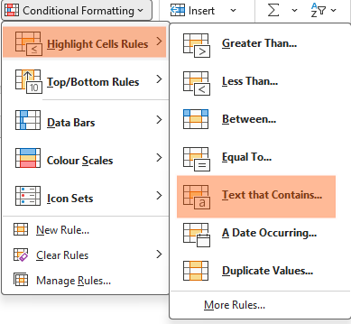
RAW DATA |  |  |  |  |  | OUTPUT VALUES |  |  |  |  |  |  |  |  |  | Removing Duplicates
Product ID | Product Name | Brand Name | Price ($) | Quantity | Category | Product ID | Product Name | Brand Name | Price ($) | Quantity | Category | Manufacturing Date | Country Code | Product Brand | Manufacturing Date | 1.Select the column "Product ID"
21-AUG-CA | Laptop Bag | Samsonite | 50 | 35 | Accessories | 09-JUL-FR | Watch | Casio | ₹ 100.00 | 20 | Accessories | 9 | FR | Casio Watch | 07-09-2025 | 2.Go to Data --> Data Tools-->Select Remove Duplicate
21-AUG-CA | Laptop Bag | Samsonite | 50 | 35 | Accessories | 21-AUG-CA | Laptop Bag | Samsonite | ₹ 50.00 | 35 | Accessories | 21 | CA | Samsonite Laptop Bag | 08-21-2025 | 3. Select --> Expand the selection ---> Select all the Tab ( Product ID, Product Name, Brand Name, Price, Quantity, Category)
09-JUL-FR | Watch | Casio | 100 | 20 | Accessories | 07-JUN-UK | Headphones | Sony | ₹ 297.86 | 45 | Electronics | 7 | UK | Sony Headphones | 06-07-2025 | 4.Select all Tab --> Remove duplicate---> Removed 3 Duplicate value
07-JUN-UK | Headphones | Sony |  | 45 | Electroni | 16-APR-ES | Headphones | Bose | ₹ 250.00 | 20 | Electronics | 16 | ES | Bose Headphones | 04-16-2025
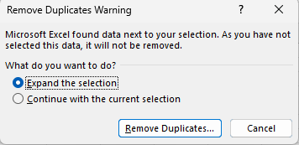
18-FEB-CA | Smartwatch | Fitbit | 150 | 15 | Electroni | 18-FEB-CA | Smartwatch | Fitbit | ₹ 150.00 | 15 | Electronics | 18 | CA | Fitbit Smartwatch | 02-18-2025
16-APR-ES | headphones | Bose | 250 | 20 | Electroni | 20-AUG-CN | Smartwatch | Huawei | ₹ 160.00 | 15 | Electronics | 20 | CN | Huawei Smartwatch | 08-20-2025
20-AUG-CN | Smartwatch | Huawei | 160 | 15 | Electroni | 05-SEP-UK | Tablet | Apple | ₹ 500.00 | 50 | Electronics | 5 | UK | Apple Tablet | 09-05-2025
16-APR-ES | headphones | Bose | 250 | 20 | Electroni | 11-APR-US | Smartphone | Samsung | ₹ 900.00 | 25 | Electronics | 11 | US | Samsung Smartphone | 04-11-2025
28-JAN-US | laptop | Dell | 1000 | 30 | Electronics | 14-MAY-RU | Camera | Nikon | ₹ 700.00 | 50 | Electronics | 14 | RU | Nikon Camera | 05-14-2025
11-APR-US | smartphone | Samsung | 900 | 25 | Electronics | 17-JUN-IN | Laptop | Hp | ₹ 950.00 | 25 | Electronics | 17 | IN | Hp Laptop | 06-17-2025
05-SEP-UK | Tablet | Apple | 500 | 50 | Electronics | 24-MAY-CA | Fitness Tracker | Garmin | ₹ 130.00 | 5 | Electronics | 24 | CA | Garmin Fitness Tracker | 05-24-2025
17-JUN-IN | Laptop | HP | 950 | 25 | Electronics | 27-JAN-IT | Laptop | Asus | ₹ 980.00 | 10 | Electronics | 27 | IT | Asus Laptop | 01-27-2025
27-JAN-IT | laptop | Asus | 980 | 10 | Electronics | 28-JAN-US | Laptop | Dell | ₹ 1,000.00 | 30 | Electronics | 28 | US | Dell Laptop | 01-28-2025
14-MAY-RU | Camera | Nikon | 700 | 50 | Electronics | 29-SEP-CA | Smartphone | Google | ₹ 800.00 | 45 | Electronics | 29 | CA | Google Smartphone | 09-29-2025
29-SEP-CA | Smartphone | Google | 800 | 45 | Electronics | 01-MAR-UK | Sunglasses | Oakley | ₹ 150.00 | 15 | Fashion | 1 | UK | Oakley Sunglasses | 03-01-2025 | Handling Missing Values
24-MAY-CA | Fitness Tracker | Garmin | 130 | 5 | Electronics | 02-DEC-CA | Jeans | Levi'S | ₹ 50.00 | 50 | Fashion | 2 | CA | Levi'S Jeans | 12-02-2025
17-JUN-IN | Laptop | HP | 950 | 25 | Electronics | 03-JUN-CA | Sunglasses | Ray-Ban | ₹ 297.86 | 25 | Fashion | 3 | CA | Ray-Ban Sunglasses | 06-03-2025 | Task Comments | Output Values | Formula Used
15-FEB-US | Sneakers | Nike | 80 | 15 | Fashion | 07-MAR-CA | Dress | Zara | ₹ 60.00 | 30 | Fashion | 7 | CA | Zara Dress | 03-07-2025 | Check for missing values in the 'Price' column. | 3
19-JUL-UK | T-shirt | Adidas | 30 | 5 | Fashion | 15-FEB-US | Sneakers | Nike | ₹ 80.00 | 15 | Fashion | 15 | US | Nike Sneakers | 02-15-2025 | How would you handle products with missing price information? Price column is found to blank | 298 ( J5, J19, J28)
01-MAR-UK | Sunglasses | Oakley | 150 | 15 | Fashion | 19-JUL-UK | T-Shirt | Adidas | ₹ 30.00 | 5 | Fashion | 19 | UK | Adidas T-Shirt | 07-19-2025 | Check for missing values in the 'Category' column. | 4
03-JUN-CA | Sunglasses | Ray-Ban |  | 25 | Fashion | 03-MAR-US | Coffee Maker | Keurig | ₹ 130.00 | 40 | Kitchen | 3 | US | Keurig Coffee Maker | 03-03-2025 | How would you handle products with missing Category information? Category column is found to blank | Unknown
07-MAR-CA | Dress | Zara | 60 | 30 | Fashion | 09-JAN-CA | Microwave | Panasonic | ₹ 80.00 | 20 | Kitchen | 9 | CA | Panasonic Microwave | 01-09-2025
02-DEC-CA | Jeans | Levi's | 50 | 50 | Fashion | 11-JUL-CA | Blender | Vitamix | ₹ 400.00 | 40 | Kitchen | 11 | CA | Vitamix Blender | 07-11-2025 | Note:Found the number of blank cells in the Price and Category column using the COUNTBLANK function and then replaced the missing values with the average of the Price column and Unknown in Category column
03-MAR-US | Coffee Maker | Keurig | 130 | 40 | Kitchen | 13-APR-CA | Toaster | Hamilton | ₹ 40.00 | 10 | Kitchen | 13 | CA | Hamilton Toaster | 04-13-2025
23-AUG-UK | Blender | Ninja | 90 | 35 | Kitchen | 23-AUG-UK | Blender | Ninja | ₹ 90.00 | 35 | Kitchen | 23 | UK | Ninja Blender | 08-23-2025
09-JAN-CA | Microwave | Panasonic | 80 | 20 | Kitchen | 14-AUG-US | Camping Tent | Coleman | ₹ 297.86 | 10 | Outdoor | 14 | US | Coleman Camping Tent | 08-14-2025 | Correcting Inconsitent Data
11-JUL-CA | Blender | Vitamix | 400 | 40 | Kitchen | 14-OCT-UK | Hiking Boots | Timberland | ₹ 130.00 | 10 | Outdoor | 14 | UK | Timberland Hiking Boots | 10-14-2025 | Task Comments | Output Values | Formula Used
13-APR-CA | Toaster | Hamilton | 40 | 10 | Kitchen | 08-DEC-DE | Coffee Maker | Nespresso | ₹ 120.00 | 35 | Unknown | 8 | DE | Nespresso Coffee Maker | 12-08-2025 | Inconsistent Text formats present in the "Product Name" | Refer Highlighted cells in Column H
14-OCT-UK | Hiking Boots | Timberland | 130 | 10 | Outdoor | 19-JUL-BR | Fitness Tracker | Xiaomi | ₹ 150.00 | 30 | Unknown | 19 | BR | Xiaomi Fitness Tracker | 07-19-2025
14-AUG-US | Camping Tent | Coleman |  | 10 | Outdoor | 22-MAY-US | Backpack | North Face | ₹ 70.00 | 20 | Unknown | 22 | US | North Face Backpack | 05-22-2025 | Note:Removed the Extra space unwanted characters using the Proper Trim and clean function
22-MAY-US | Backpack | North Face | 70 | 20 |  | 25-NOV-AU | Sneakers | Adidas | ₹ 90.00 | 40 | Unknown | 25 | AU | Adidas Sneakers | 11-25-2025
25-NOV-AU | Sneakers | Adidas | 90 | 40 |  |  |  |  |  |  |  |  |  |  |  | Task Comments | Output Values
08-DEC-DE | Coffee Maker | Nespresso | 120 | 35 |  |  |  |  |  |  |  |  |  |  |  | Identify any typos present in the "Category" column. | Refer Highlighted cells F6:F10 in Column F
19-JUL-BR | Fitness Tracker | Xiaomi | 150 | 30
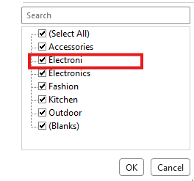

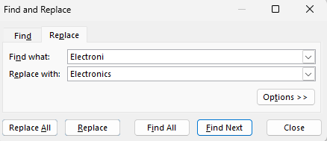

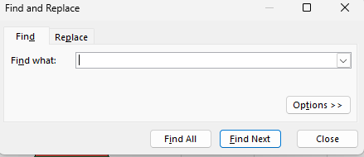
 |  |  |  |  |  |  |  |  |  |  |  |  |  |  |  | Task Comments |  | Output Values
 |  |  |  |  |  |  |  |  |  |  |  |  |  |  |  | Column and fix any typos or misspellings in the "Category" column. |  | Refer Bold Highlighted cells in Column L
 |  |  |  |  |  |  |  |  |  |  |  |  |  |  |  | 1. Sort the column F
 |  |  |  |  |  |  |  |  |  |  |  |  |  |  |  | 2. Find the misspelled category " Electroni"
 |  |  |  |  |  |  |  |  |  |  |  |  |  |  |  | 3.Select Ctrl + F , Select Replace Tab
 |  |  |  |  |  |  |  |  |  |  |  |  |  |  |  | 4.Type "Electroni" in Find What option and "Electronics" in Replace with option
 |  |  |  |  |  |  |  |  |  |  |  |  |  |  |  | 5.Select Replace All
 |  |  |  |  |  |  |  |  |  |  |  |  |  |  |  | 6. 5 values of cells contains word "Electroni" is replaced with word "Electronics"

 |  |  |  |  |  |  |  |  |  |  |  |  |  |  |  | Note:Removed the Extra space unwanted characters using the Proper Trim and clean function identified misspelled values in the Category column by sorting the column, locating the incorrect entry ‘Electroni’, and using Find & Replace to correct it to ‘Electronics’. A total of 5 cells were updated

 |  |  |  |  |  |  |  |  |  |  |  |  |  |  |  | Splitting and Merging Data
 |  |  |  |  |  |  |  |  |  |  |  |  |  |  |  | Task Comments |  | Output Values | Formula Used
 |  |  |  |  |  |  |  |  |  |  |  |  |  |  |  | Split the "Product ID" column into two separate columns for " Manufacturing Date" |  | Refer to Column M
 |  |  |  |  |  |  |  |  |  |  |  |  |  |  |  | Split the "Product ID" column into two separate columns for "Country Code" |  | Refer to Column N
 |  |  |  |  |  |  |  |  |  |  |  |  |  |  |  | Merge the "Brand Name" and "Product Name" columns into one column named "Product Brand". |  | Refer to Column O

 |  |  |  |  |  |  |  |  |  |  |  |  |  |  |  | Number Formatting
 |  |  |  |  |  |  |  |  |  |  |  |  |  |  |  | Task Comments |  | Output Values | Formula Used
 |  |  |  |  |  |  |  |  |  |  |  |  |  |  |  | Format the data type of the "Price" column to a currency format. |  | Refer Column J | CTRL+SHIFT+4
 |  |  |  |  |  |  |  |  |  |  |  |  |  |  |  | Format the "Manufacturing Date" column to display dates |  | Refer Column P

 |  |  |  |  |  |  |  |  |  |  |  |  |  |  |  | Conditional Formatting
 |  |  |  |  |  |  |  |  |  |  |  |  |  |  |  | Task Comments |  | Output Values
 |  |  |  |  |  |  |  |  |  |  |  |  |  |  |  | Apply data bar or color scales conditional formatting in the "Price" column. |  | Refer Column J

 |  |  |  |  |  |  |  |  |  |  |  |  |  |  |  | 1. Select the column D
 |  |  |  |  |  |  |  |  |  |  |  |  |  |  |  | 2. Select the option Conditional Formatting in the Column Styles
 |  |  |  |  |  |  |  |  |  |  |  |  |  |  |  | 3.Select the Drop down --> Data Bars --> Gradient fills

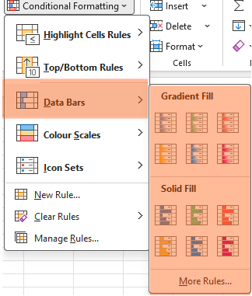

 |  |  |  |  |  |  |  |  |  |  |  |  |  |  |  | Task Comments |  | Output Values
 |  |  |  |  |  |  |  |  |  |  |  |  |  |  |  | Conditional formatting in the "Category" column to highlight cells where the category is Electronics |  | Refer Column L

 |  |  |  |  |  |  |  |  |  |  |  |  |  |  |  | 1. Select the column F
 |  |  |  |  |  |  |  |  |  |  |  |  |  |  |  | 2. Select the option Conditional Formatting in Cell Styles
 |  |  |  |  |  |  |  |  |  |  |  |  |  |  |  | 3.Select the Drop down --> Highlight Cells rules -->Text That contains --> Type "Electronics" --> Select Okay

